Sheet1
Calculation of transfer fluence window comparing shadowgraphy experiments without receiver and LIBT experiments onto receiver

 |  |  |  | Notes:
 |  |  |  | receiver: PDMS(Sylgard 184, 5000rpm,30s)/glass

 |  |  |  | Power increment per column |  | 2.50%

 |  |  |  | Pth = 155...176mW (150px-250px circ)
 |  |  |  | Excl receiver loss | 131.192 | mW
 |  |  |  |  | 148.9664 | mW

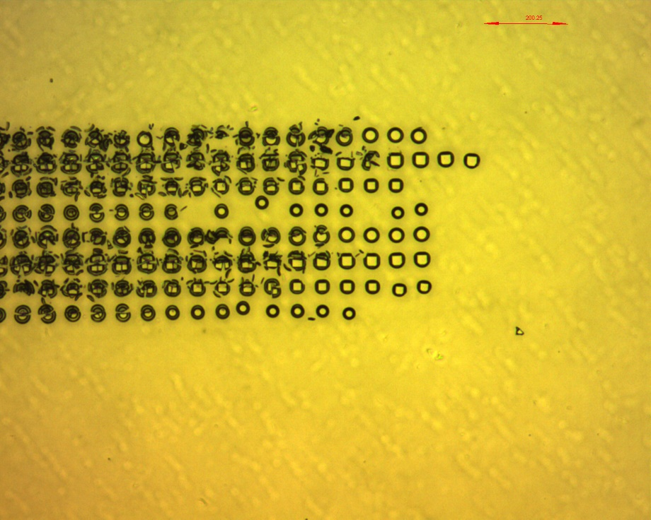

 |  | Shadowgraphy |  |  | Receiver experiment
Value | Target | Sample | Transfer window [%] |  | Sample | Transfer window [%] | Ratio
 | thin SU-8/Si | LPP160422C |  |  | LPP160308A
min |  |  | 20 |  |  | 22.5
max |  |  | 55 |  |  | 10

average |  |  | 37.5 |  |  | 16.25 | 2.3076923077
stdev |  |  | 24.748737342 |  |  | 8.8388347648

 | thick SU-8/Si | LPP160422A
average |  |  | 59.984399376 |  |  |  |  | Microscope image of deposits on receiver for sample LPP160308A

 | thick SU-8/Ge | LPP160421D
average |  |  | 60.038986355

