CE Enrichment
Crystal Explorer
CD Structures

34_256 |  |  |  |  | 2018ed0044

 | Contacts by percentage |  |  | Unity = 100
 |  | Inside
 |  | H | C | F | N
Outside | H | 8.7 | 3.9 | 24.4 | 2.5 | 100.0
 | C | 2.9 | 13.4 | 3.7 | 0.6
 | F | 22.6 | 4.6 | 9.2 | 0.4
 | N | 2.0 | 0.6 | 0.3 | 0.2

Calculated | Surface % | 37.85 | 21.55 | 37.2 | 3.4 | 100
Fraction |  | 0.3785 | 0.2155 | 0.372 | 0.034

Reported Surface % |  | 36.2 | 22.6 | 37.5 | 3.7
 |  | 39.5 | 20.7 | 36.7 | 3.1
 | Average | 37.85 | 21.65 | 37.1 | 3.4 | 100
Fraction |  | 0.3785 | 0.2165 | 0.371 | 0.034

 | Random Contacts by percentage
 |  | H | C | F | N
 | H | 14.33 | 8.19 | 14.04 | 1.29 | 100.0
 | C | 8.19 | 4.69 | 8.03 | 0.74
 | F | 14.04 | 8.03 | 13.76 | 1.26
 | N | 1.29 | 0.74 | 1.26 | 0.12

 |  | H | C | F | N
 | H | 0.61 | ~ | ~
 | C | 0.41 | 2.86 | ~
 | F | 1.67 | 0.52 | 0.67
 | N

345_26 |  |  |  |  | 2018ed0045

 | Contacts by percentage |  |  | Unity = 100
 |  | Inside
 |  | H | C | F | N
Outside | H | 7.6 | 3.2 | 26.7 | 1.1 | 100.0
 | C | 2.7 | 15.4 | 2.3 | 1.5
 | F | 24.8 | 2.7 | 8.8 | 0.4
 | N | 0.9 | 1.5 | 0.3 | 0.1

Calculated | Surface % | 37.3 | 22.35 | 37.4 | 2.95 | 100
Fraction |  | 0.373 | 0.2235 | 0.374 | 0.0295

Reported Surface % |  | 36 | 22.8 | 38.2 | 3.1
 |  | 38.7 | 21.9 | 36.7 | 2.8
 | Average | 37.35 | 22.35 | 37.45 | 2.95 | 100.1
Fraction |  | 0.3735 | 0.2235 | 0.3745 | 0.0295

 | Random Contacts by percentage
 |  | H | C | F | N
 | H | 13.95 | 8.35 | 13.99 | 1.10 | 100.2
 | C | 8.35 | 5.00 | 8.37 | 0.66
 | F | 13.99 | 8.37 | 14.03 | 1.10
 | N | 1.10 | 0.66 | 1.10 | 0.09

 |  | H | C | F | N
 | H | 0.54 | ~ | ~
 | C | 0.35 | 3.08 | ~
 | F | 1.84 | 0.30 | 0.63
 | N

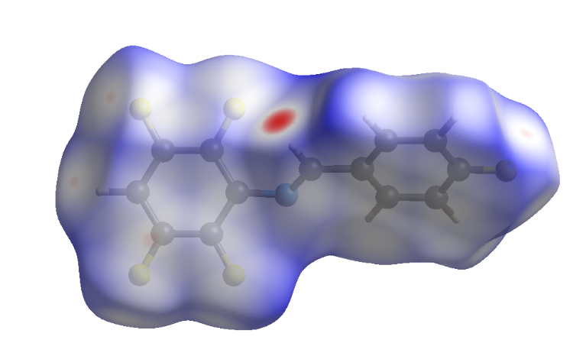
2356_4 |  |  |  |  | 2018ed0042

 | Contacts by percentage |  |  | Unity = 100
 |  | Inside
 |  | H | C | F | N
Outside | H | 12.2 | 4.0 | 21.7 | 1.8 | 100.1
 | C | 2.7 | 11.6 | 5.4 | 0.9
 | F | 20.0 | 6.3 | 10.6 | 0.3
 | N | 1.5 | 0.9 | 0.2 | 0.0

Calculated | Surface % | 38.05 | 21.7 | 37.55 | 2.8 | 100.1
Fraction |  | 0.3805 | 0.217 | 0.3755 | 0.028

Reported Surface % |  | 36.4 | 22.7 | 37.9 | 3
 |  | 39.6 | 20.6 | 37.3 | 2.5
 | Average | 38 | 21.65 | 37.6 | 2.75 | 100
Fraction |  | 0.38 | 0.2165 | 0.376 | 0.0275

 | Random Contacts by percentage
 |  | H | C | F | N
 | H | 14.44 | 8.23 | 14.29 | 1.05 | 100.0
 | C | 8.23 | 4.69 | 8.14 | 0.60
 | F | 14.29 | 8.14 | 14.14 | 1.03
 | N | 1.05 | 0.60 | 1.03 | 0.08

 |  | H | C | F | N
 | H | 0.84 | ~ | ~
 | C | 0.41 | 2.47 | ~
 | F | 1.46 | 0.72 | 0.75
 | N

246_35 |  |  |  |  | Stacking Group 3

 | Contacts by percentage |  |  | Unity = 100
 |  | Inside
 |  | H | C | F | N
Outside | H | 11.4 | 5.8 | 20.9 | 1.8 | 99.8
 | C | 4.0 | 9.4 | 5.4 | 0.5
 | F | 19.2 | 6.8 | 11.6 | 0.7
 | N | 1.4 | 0.5 | 0.4 | 0.0

Calculated | Surface % | 37.95 | 20.9 | 38.3 | 2.65 | 99.8
Fraction |  | 0.3795 | 0.209 | 0.383 | 0.0265

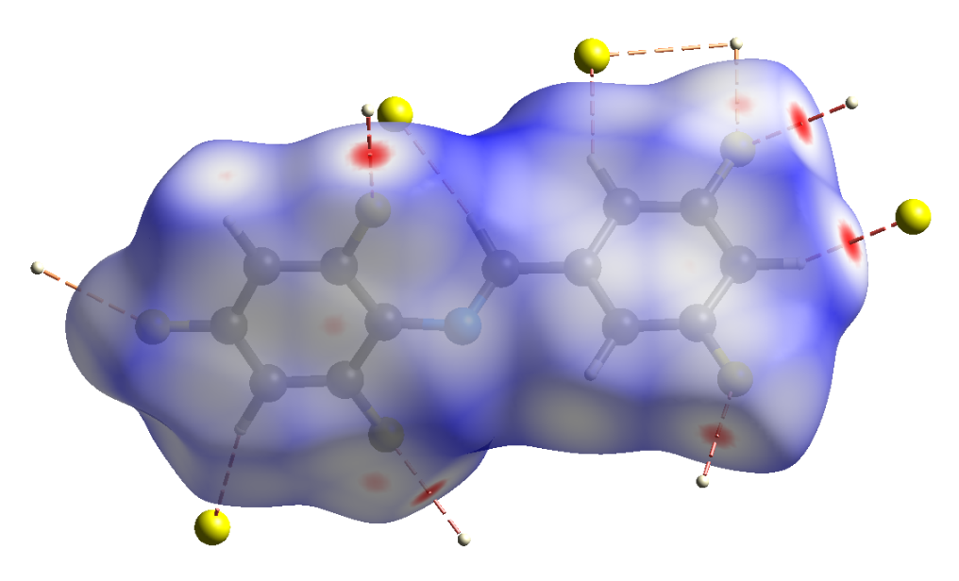
Reported Surface % |  | 36 | 22.6 | 38.4 | 3
 |  | 40 | 19.4 | 38.3 | 2.3
 | Average | 38 | 21 | 38.35 | 2.65 | 100
Fraction |  | 0.38 | 0.21 | 0.3835 | 0.0265

 | Random Contacts by percentage
 |  | H | C | F | N
 | H | 14.44 | 7.98 | 14.57 | 1.01 | 100.0
 | C | 7.98 | 4.41 | 8.05 | 0.56
 | F | 14.57 | 8.05 | 14.71 | 1.02
 | N | 1.01 | 0.56 | 1.02 | 0.07

 |  | H | C | F | N
 | H | 0.79 | ~ | ~
 | C | 0.61 | 2.13 | ~
 | F | 1.38 | 0.76 | 0.79
 | N

