Legend
Column | Parameter | Description | Color code | Description
A | Reference | Reference for the experimental research (includes names and year) | NR | Not Reported in the literature
B | Specimen ID | Specimen name/label | Font in yellow | Quantity is assumed or dedcued from figures or other relevant research
C | Thread | Thread type [PT: partial-thread; FT: fully-thread] | Font in black (Specimen ID) | Not included in plastic elongation analysis due to the stripping failure or very outlier responses
D | Grade | Bolt steel grade [8.8, A325, 10.9, A490, 12.9] | Font in black (Specimen ID) | Not included in strength analysis due to the outlier responses
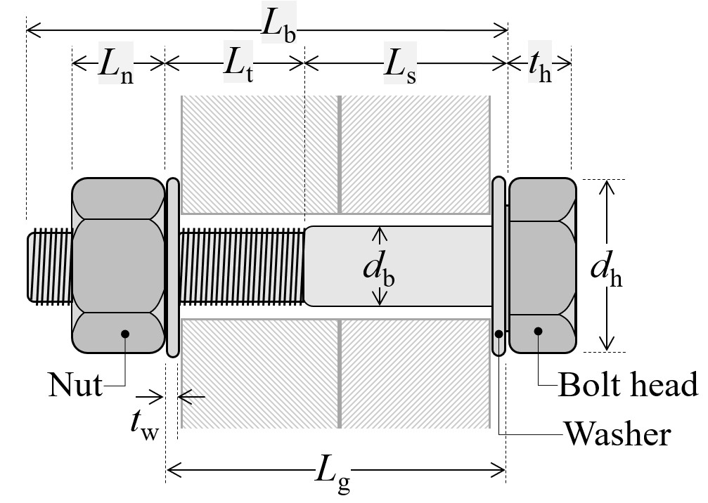
E | Finish | Bolt surface finish/coating [BZP: Bright zinc plating; GLV: Glavanised plating; BOC: Black oxide coating]
F | nnut | Number of nuts
G | nwasher | Number of washers
H | v | Loading speed (maximum reached) [mm/s]
I | db | Bolt nominal diameter [mm]
J | Lbolt | Total bolt length [mm]
K | Lg | Gripp length [mm]
L | Ls | Bolt shank length [mm]
M | Lthread | Bolt thread length [mm]
N | Lt | Bolt thread length within the gripped length [mm]
O | th | Bolt head thickness [mm]
P | tn | Bolt nut thickness [mm]
Q | twasher | Washer thickness [mm]
R | As | Bolt stress area [mm2]
S | Anom | Bolt nominal area [mm2]
T | Ke | Initial elastic stiffness [kN/mm]
U | Fy | Yield force [kN]
V | Fu | Ultiamte force [kN]
W | Ff | Failure force [kN]
X | Δy | Elongation at yield force [mm]
Y | Δu | Elongation at ultiamte force [mm]
Z | Δf | Elongation at failure [mm]
AA | Δu,p | Plastic elongation at ultiamte point [mm]
AB | Δf,p | Plastic elongation at failure point [mm]
AC | fy | Engineering yield stress [MPa]
AD | fu | Engineering ultimate stress [MPa]
AE | ff | Engineering failure stress [MPa]
AF | Dmax | Damage parameter (i.e., 1-Ff / Fu)
AG | Failure Type/Location | Details of the bolt failure types and their location

